YoY Coverage Difference 1323213
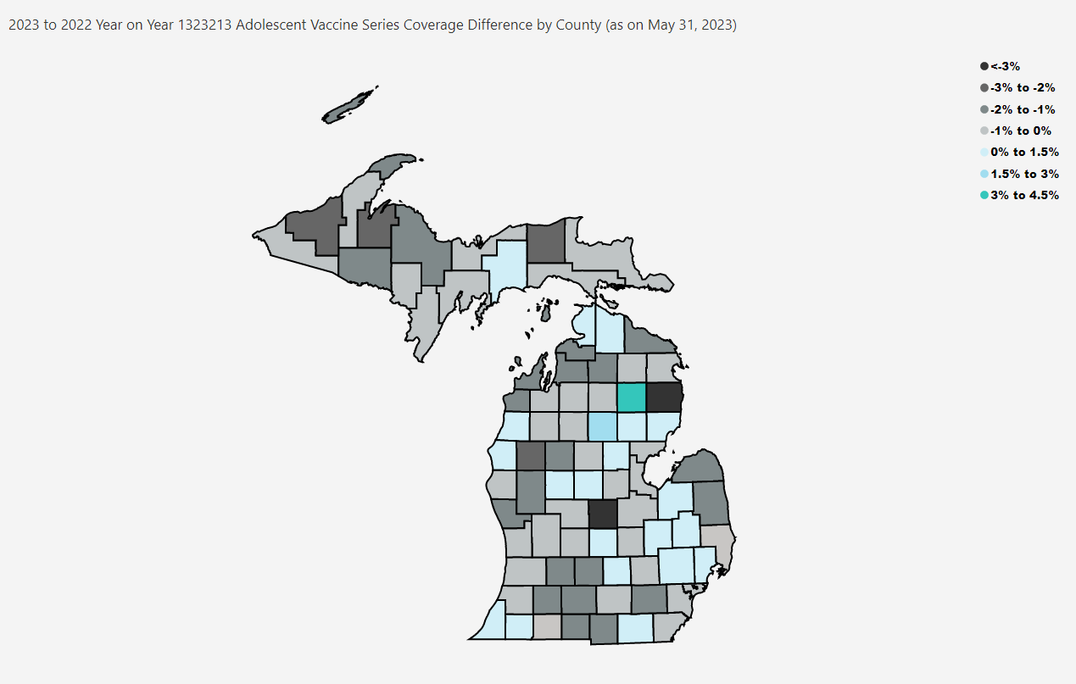
Open in Power BI
County Profile Category
Confidential info
Data as of 6/23/23, 10:09 AM

