YoY Coverage Difference 1323213
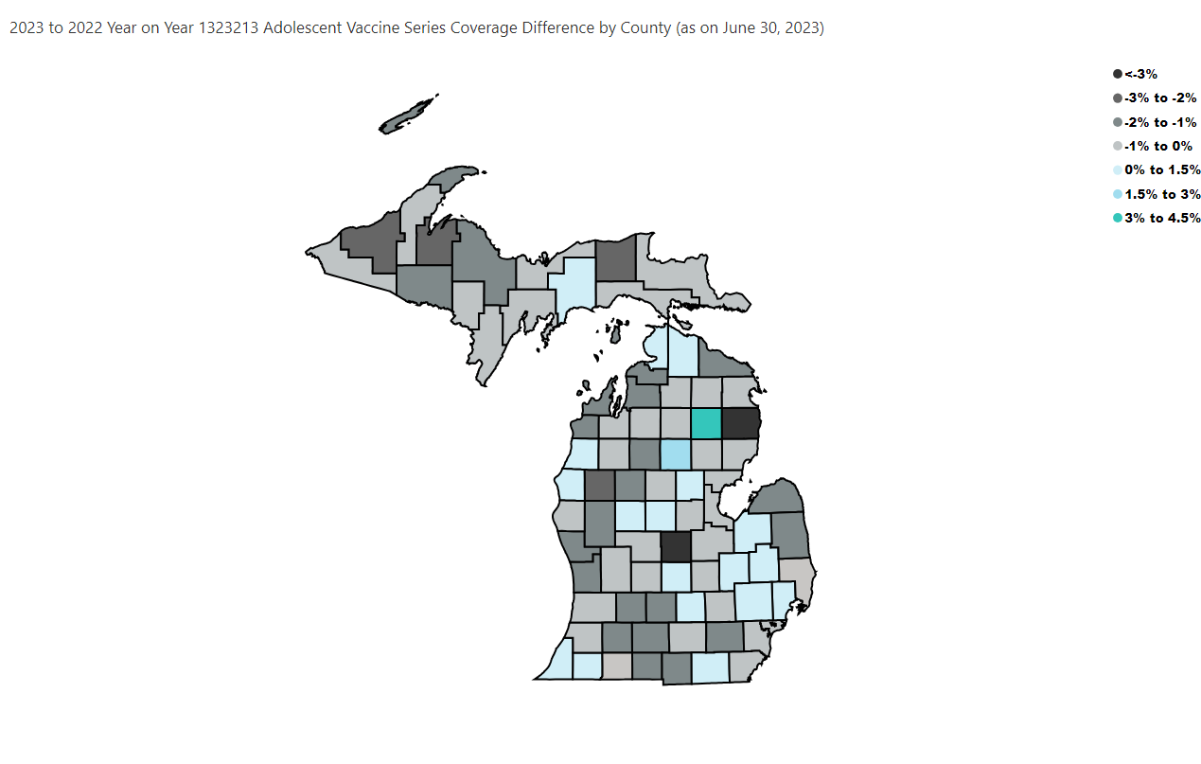
Open in Power BI
County Profile Category
Confidential info
Data as of 8/3/23, 10:03 PM

