YoY Coverage Difference 1323213
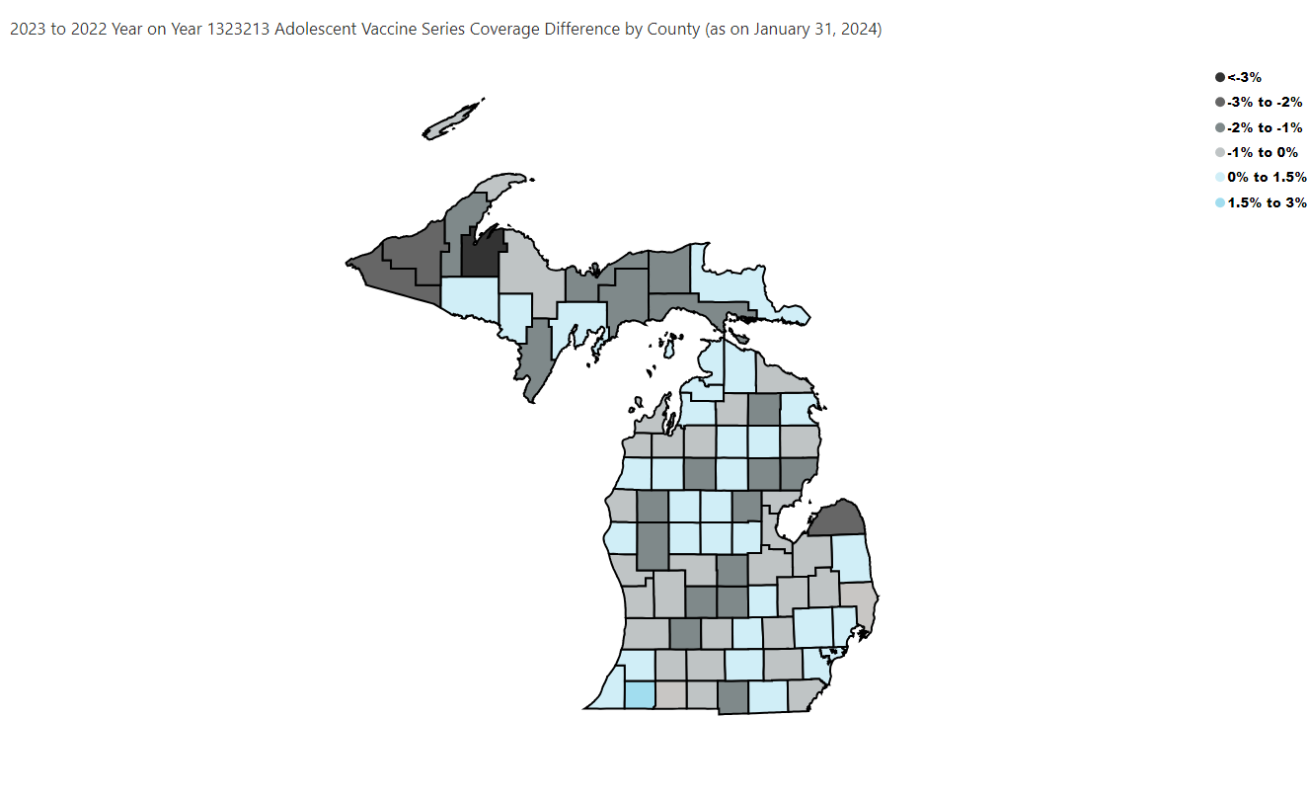
Open in Power BI
County Profile Category
Confidential info
Data as of 2/26/24, 4:29 PM

