YoY Coverage Difference 1323213
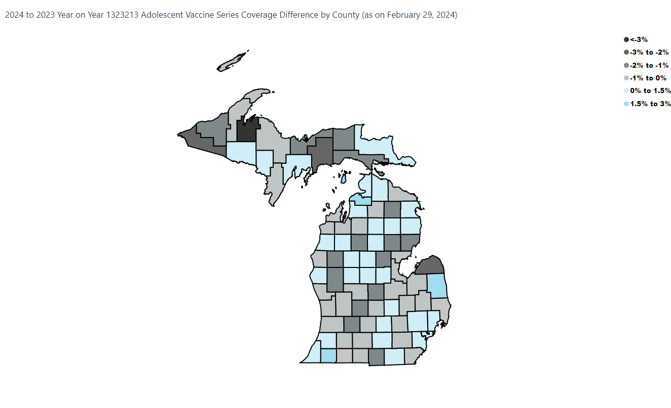
Open in Power BI
County Profile Category
Confidential info
Data as of 3/29/24, 10:43 AM

