YoY Coverage Difference 1323213
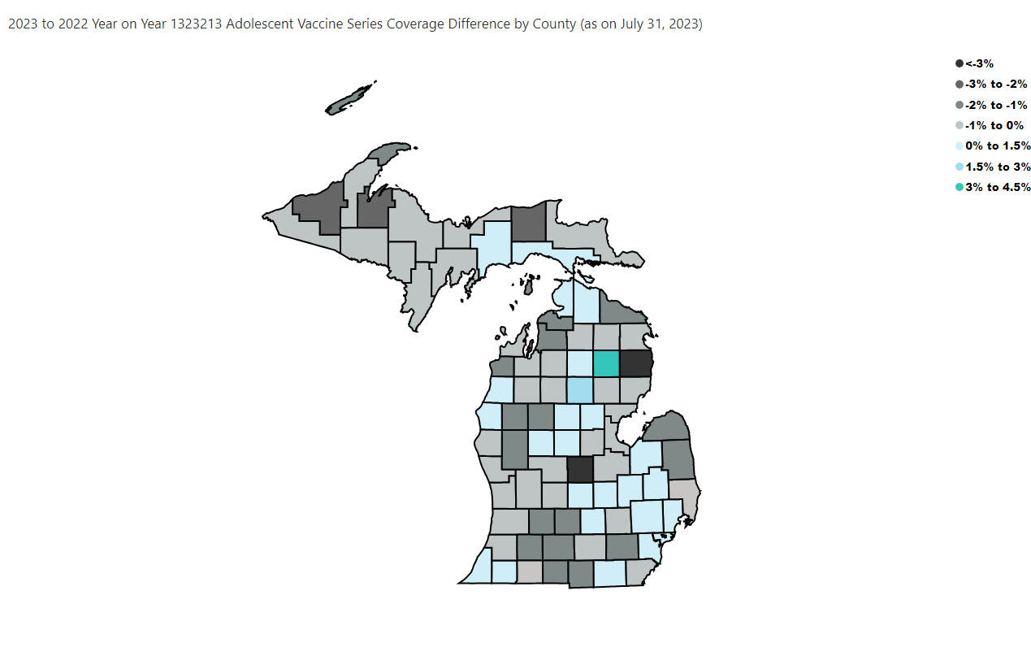
Open in Power BI
County Profile Category
Confidential info
Data as of 8/24/23, 3:41 PM

