YoY Coverage Difference 1323213
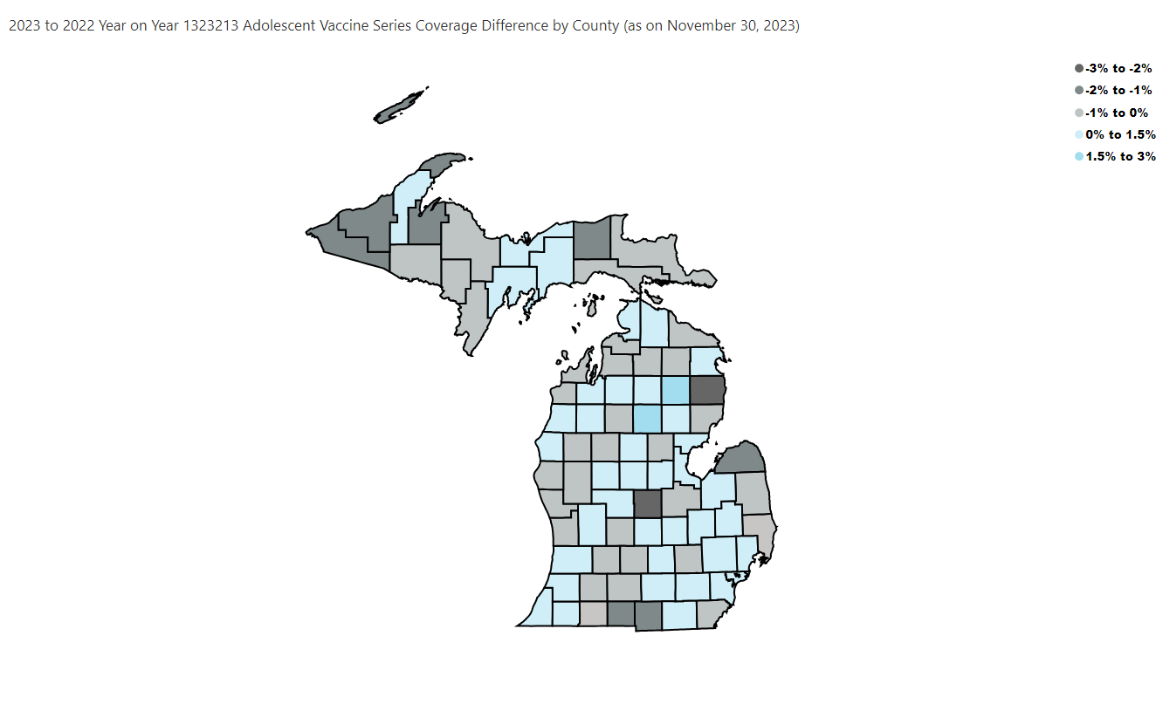
Open in Power BI
County Profile Category
Confidential info
Data as of 12/26/23, 10:31 AM

