YoY Coverage Difference 1323213
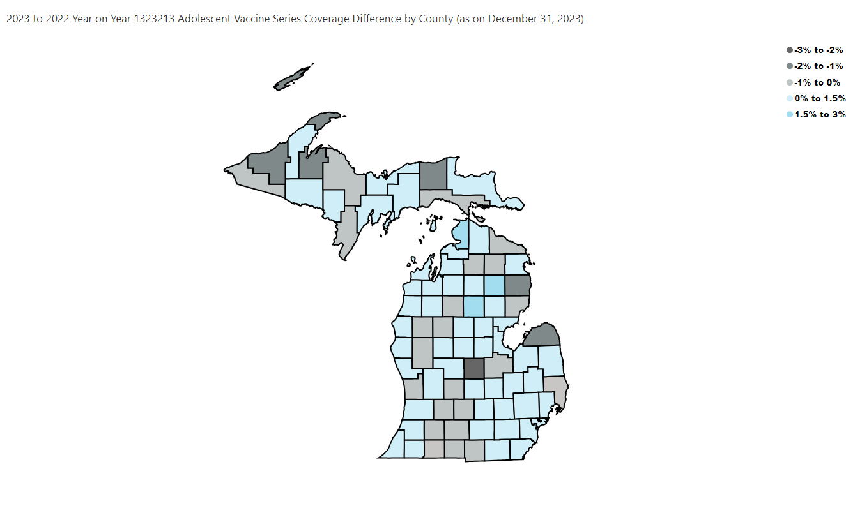
Open in Power BI
County Profile Category
Confidential info
Data as of 1/18/24, 3:13 PM

