YoY Coverage Difference 1323213
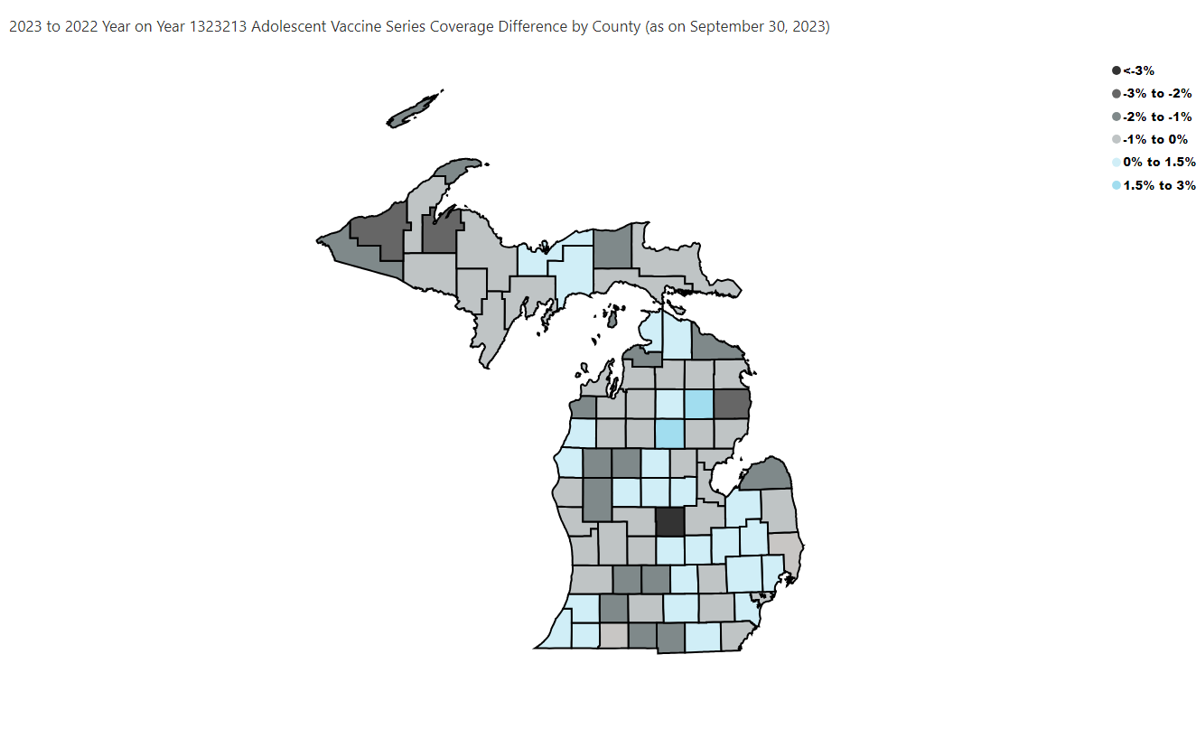
Open in Power BI
County Profile Category
Confidential info
Data as of 10/26/23, 2:45 PM

