YoY Coverage Difference 1323213
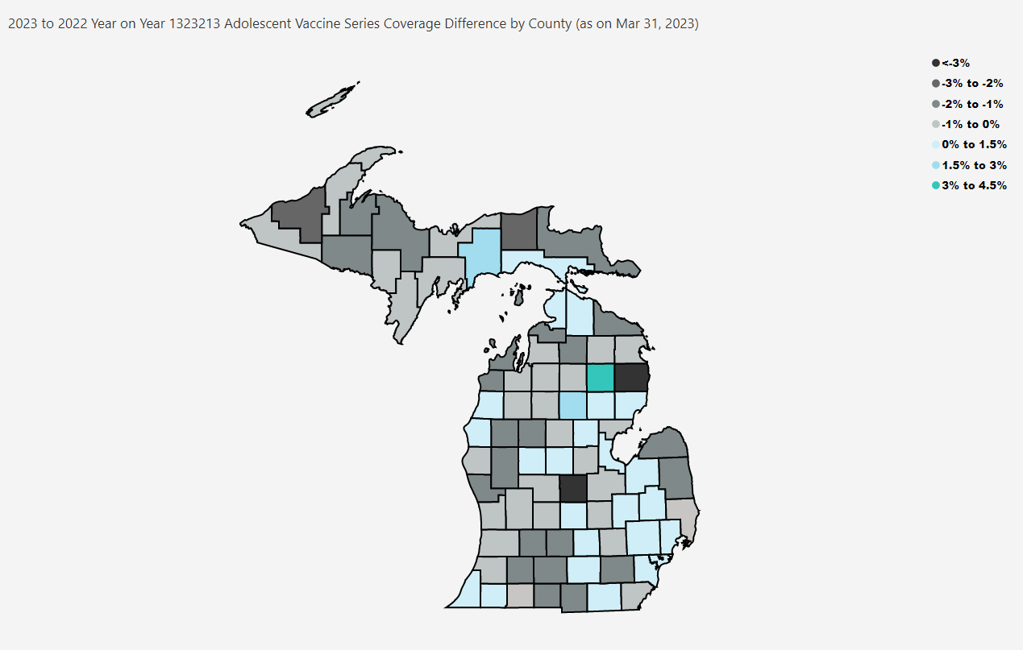
Open in Power BI
County Profile Category
Confidential info
Data as of 4/24/23, 4:04 PM

