YoY Coverage Difference 1323213
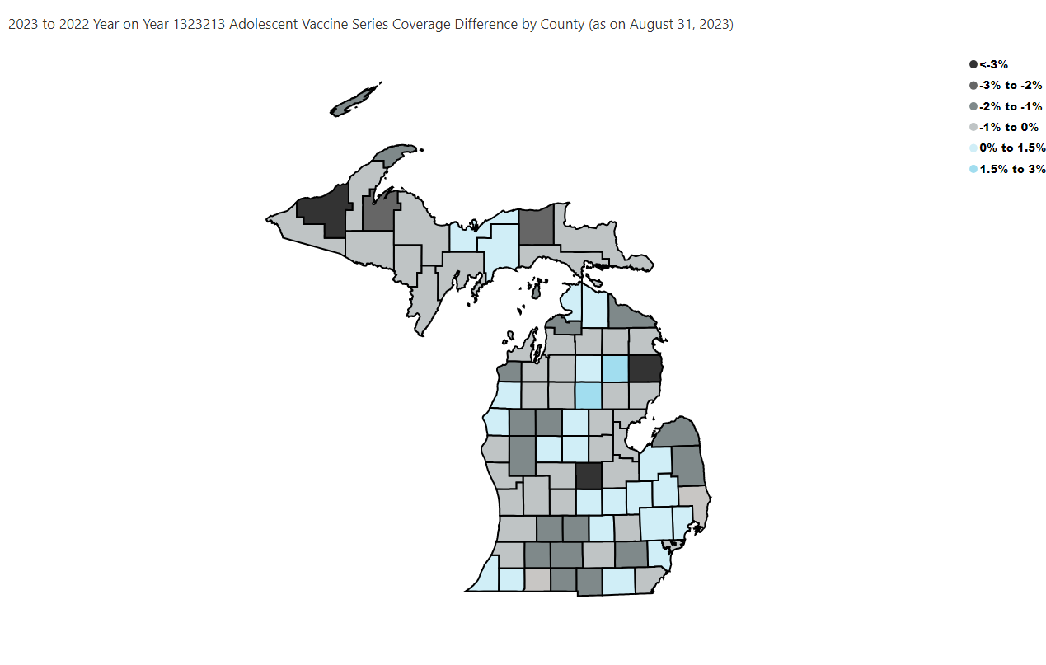
Open in Power BI
County Profile Category
Confidential info
Data as of 9/26/23, 11:30 AM

