YoY Coverage Difference 1323213
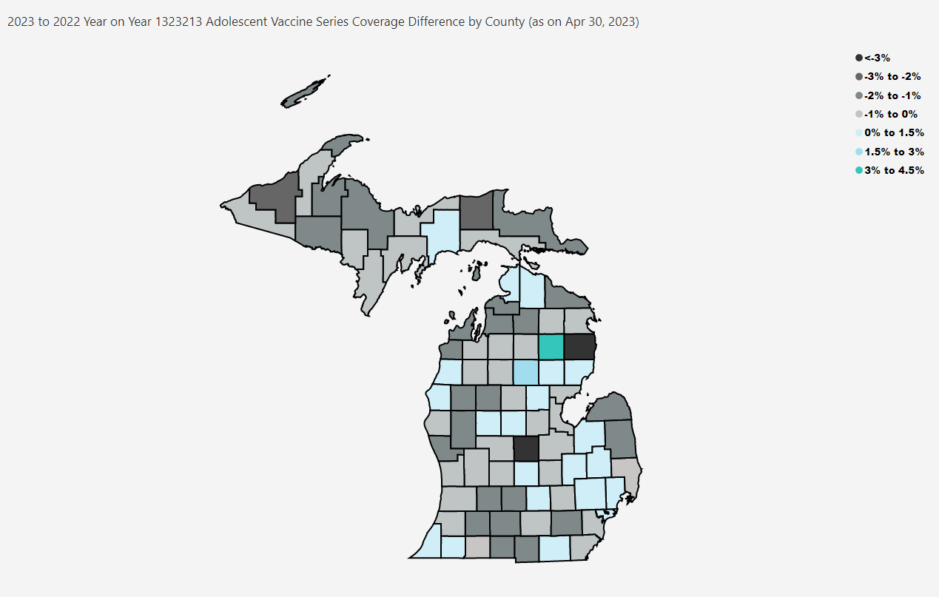
Open in Power BI
County Profile Category
Confidential info
Data as of 5/30/23, 1:38 PM

