YoY Coverage Difference 1323213
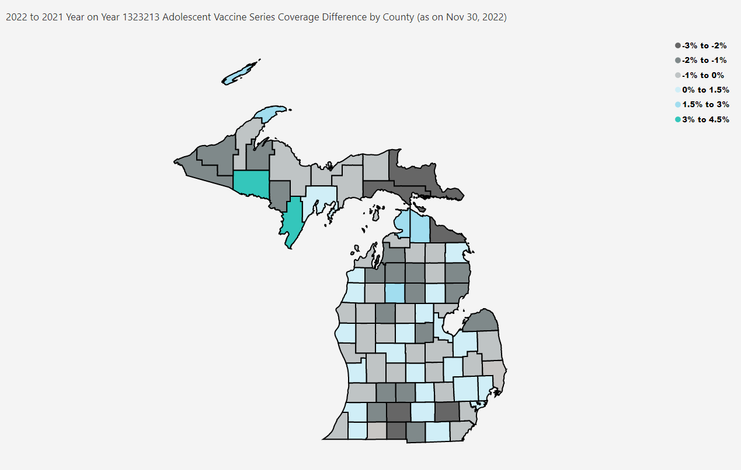
Open in Power BI
County Profile Category
Confidential info
Data as of 1/3/23, 3:37 PM

