YoY Coverage Difference 1323213
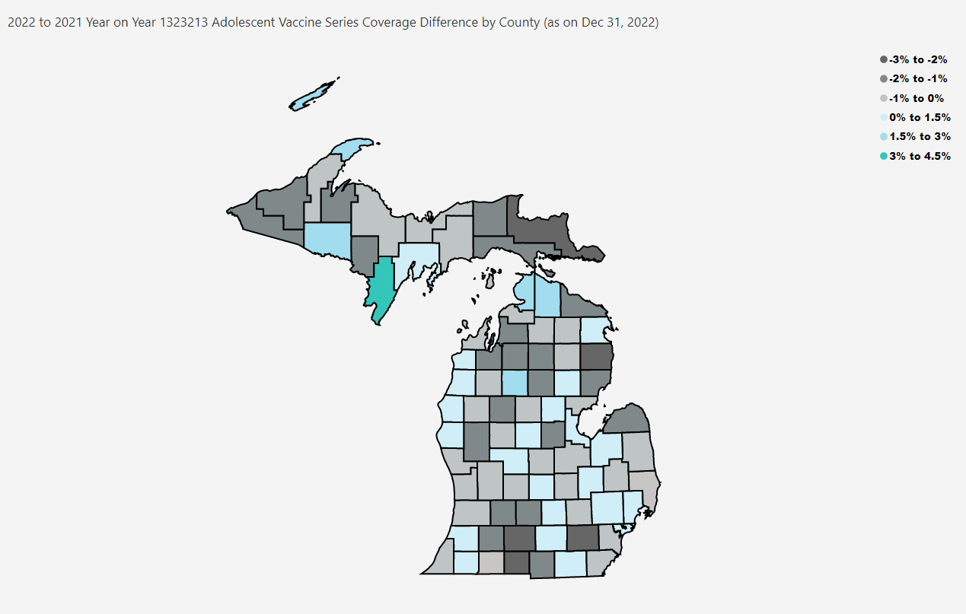
Open in Power BI
County Profile Category
Confidential info
Data as of 1/19/23, 10:34 AM

