YoY Coverage Difference 1323213
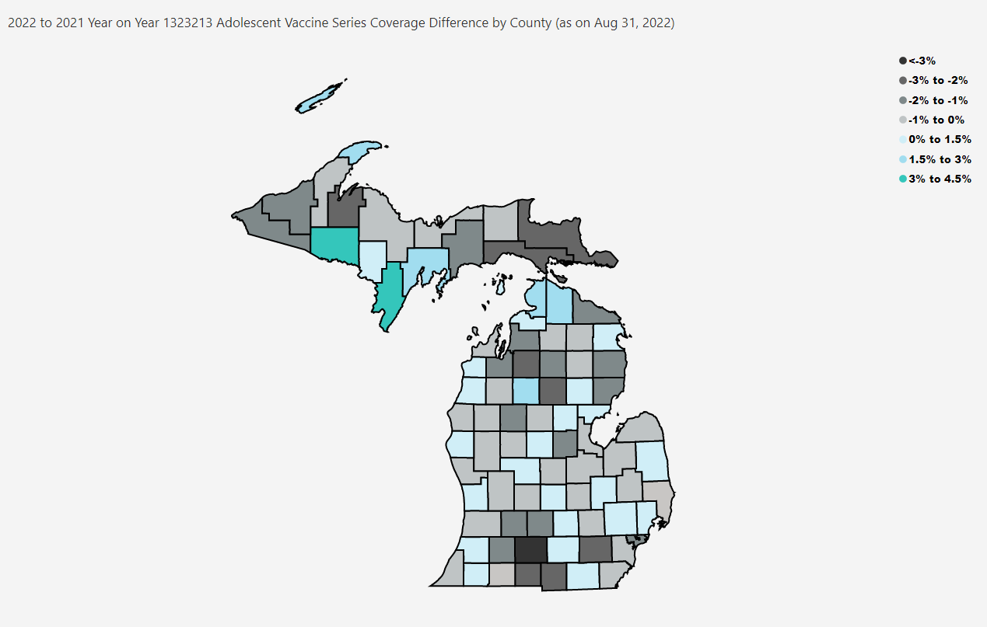
Open in Power BI
County Profile Category
Confidential info
Data as of 9/21/22, 4:33 PM

